Total Rungs Required Qty.
Sl. No. | Structure Name | Total No. | Height of wall (mm) | Rungs Spacing | Total Rungs Required Qty. | Picture for Referance | Remarks
1 | MAN HOLES - 1 (TYP.) | 6 | 1900 | 300 mm | 36 | 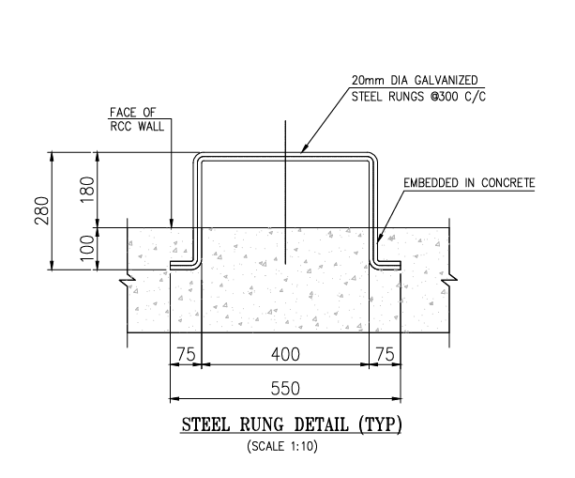
2 | MAN HOLES - 1A (TYP.) | 3 | 1250 | 300 mm | 12
3 | MAN HOLES - 2 | 1 | 1900 | 300 mm | 6
4 | MAN HOLES - 3 | 4 | 1700 | 300 mm | 20
5 | PUL PIT - 1 (TYP.) | 2 | 2000 | 300 mm | 14
6 | PUL PIT - 1 (TYP.) | 8 | 2000 | 300 mm | 56
7 | NIPS MAN HOLES - | 8 | 2895 | 300 mm | 72
10 | NIPS TANKS | 2 | 2100 | 300 mm | 32
11 | SEWRAGE MAN HOLES 1,2, 3 | 3 | 540 | 200MM | 6
12 | PTR Sumpit | 16 | 2300 |  | 192
13 | ET&AT Sumpit | 19 | 2300 |  | 228
14 | N-P | 1 | 2700 |  | 10
15 | Fire Pump room TRENCH | 2 | 1500 |  | 10

Total Rungs Qty. |  |  |  |  | 694

 |  |  |  |  |  | 20mm dia. Glavanised Steel Rungs

